Homepage-Header
TC ID | Module | Test Scenario | Precondition | Steps | Expected Result | Actual Result | Status | Screenshots
1 | Homepage Header – Mobile View | Verify proper alignment of search bar and cart icon in mobile view | Open website on mobile device | Open website on mobile device Observe header section Check alignment and spacing between search bar and cart icon | Search bar and cart icon should be properly aligned with adequate spacing and touch-friendly layout | Search bar appears very close to cart icon, causing cramped layout and poor touch usability | fail | 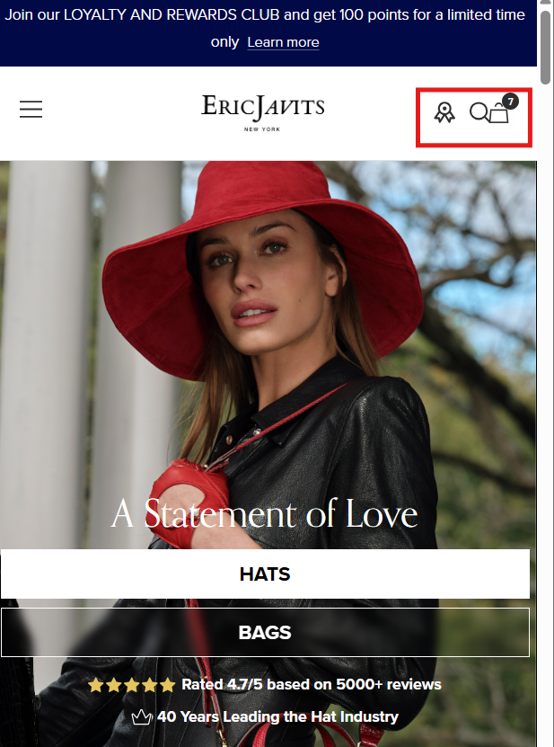
2 | Homepage – Hats & Bags Section (Mobile View) | Verify UI consistency of category buttons | User opens homepage in mobile view | Scroll to Hats & Bags section Observe button background styles | Both category buttons should have consistent background style and proper visibility | Hats button has white background hiding image, while Bags button is transparent. Design inconsistency observed | fail | 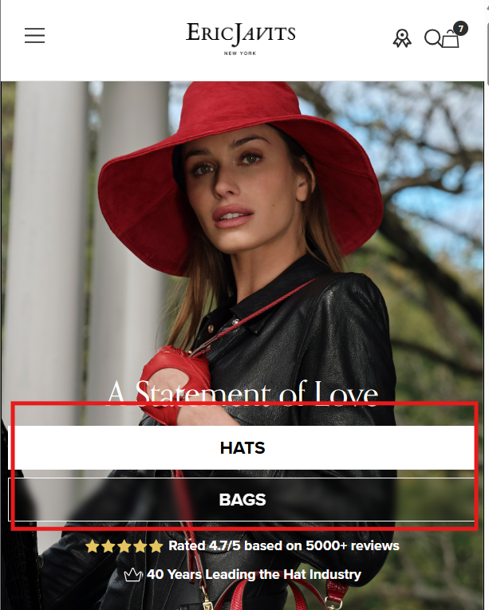
3 | Homepage – Ratings Section (Mobile View) | Verify consistency of rating values displayed on homepage in mobile view | User opens homepage in mobile view | Observe rating displayed at top of homepage Scroll down Observe rating displayed in lower section Compare both values | Rating values should remain consistent across homepage unless source is clearly specified | Top section shows rating as “4.7 out of 5” while lower section shows “4.9 out of 5” without any clarification. Issue observed in both desktop and mobile views | fail | 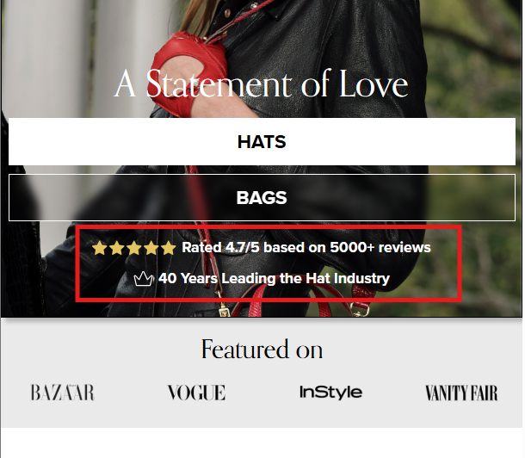
4 | Homepage - Header section | Verify wishlist icon visibility on mobile homepage | User is on mobile device | Launch the e-commerce mobile app Navigate to homepage Observe product cards and header area Look for wishlist icon (heart icon) | Wishlist icon should be visible on homepage (either on product cards or header) Icon should be tappable for adding items to wishlis | Wishlist icon is not visible | fail | 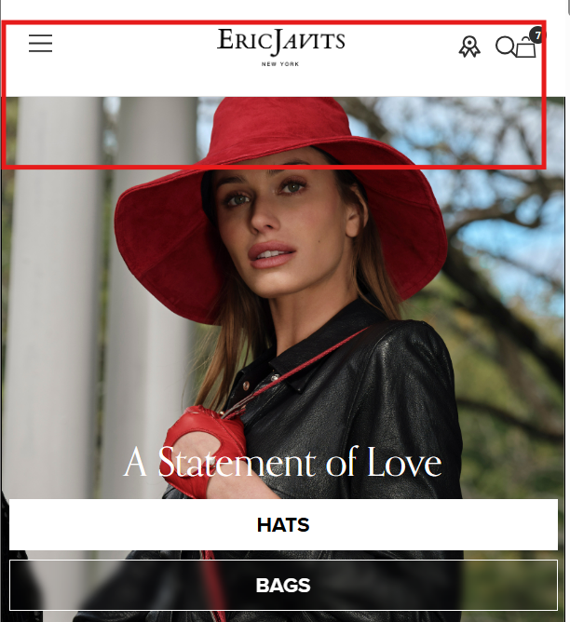
5 | Homepage - Categories section | Verify category images for women and men collections in categories section | Categories section is accessible | Navigate to Categories section Open Women category Observe collection tiles Check if each collection has its own relevant image Repeat for Men category Repeat for Season & Material category | Each collection tile should display its own picture No default website icon or placeholder should appear Images should be relevant to the collection | Collections are showing website icon (EJ) instead of images | fail

